competencies
 | SEC Competencies Compass
 | Welcome to the SEAI SEC Competencies tool! Each SEC should aim to develop the following Competencies that have been identified through research and practice as the the building blocks for a successful SEC. The tool below will help to plot your progress on the Competencies Compass [see below] towards achieving these as well as guide the direction of your project. There are seven Competencies. The first three are Bedrock Competencies – considered fundamental to the establishment and sustainability of each SEC. The remaining four competencies are Thematic Competencies that relate to the different types of projects that your SEC is undertaking. There are five Indicators for each of the seven Competencies. Each Indicator is associated with two questions. If you answer yes to a question, insert the value of 1; if you answer no to a question, insert the value of 0. The total number of points you accumulate will determine your place on the ten-step ladder of each competency of the Compass. ddd
 | Competency | Indicator | Value | Guiding Questions
BEDROCK COMPTENCIES
 |  INTEGRATED PLANNING Integrated approach across projects and within wider policy and planning context. | Project Roadmap | 1 | Have you created a Year 1 workplan outlining goals, priorities and key actions?
 |  |  | 1 | Have you developed a three-year project roadmap?
 |  | Coordination with Policy | 1 | Have you been in contact with local, regional, or national authorities and institutions?
 |  |  | 1 | Have you ensured your efforts are coordinated and strategically fit with spatial planning and policy?
 |  | Stakeholder Strategy | 1 | Are you engaging in ongoing stakeholder mapping - to identify potential partners, supporters and challengers?
 |  |  | 0 | Have you developed a strategy to connect and align with key stakeholders?
 |  | Synergy | 1 | Are you planning to integrate projects across different areas (e.g. Energy Efficiency and Transport)?
 |  |  | 0 | Have you already begun to do this?
 |  | Data Collection + Analysis | 1 | Have you developed an integrated system of data collection across all elements of the initiative?
 |  |  | 0 | Have you established a methodology to ensure an annual review of progress towards goals?
 |  | TOTAL SCORE | 6

 | PARTNERSHIPS AND ENGAGEMENT Engage, collaborate and partner with others | Cross-Sectoral Representation | 1 | Do you have a Steering Group with representation from at least 3 sectors; i.e. private, business, education, Local Authority?
 |  |  | 1 | Do you have a Steering Group with representation from more than 3 sectors?
 |  | Local Partners | 1 | Have you initiated contact with local authorities and other community groups?
 |  |  | 0 | Have you engaged in partnerships with them?
 |  | Regional / National Partners | 0 | Have you reached out to key regional and national groups, stakeholders and authorities?
 |  |  | 1 | Have you engaged in partnerships with them?
 |  | Community Engagement | 1 | Have you carried out a stakeholder engagement process to consult the general public on the project (e.g. town hall meeting)?
 |  |  | 0 | Are all members of the community playing an active role in the design and implementation of the initiative?
 |  | Network Involvement | 1 | Have you been active in attending SEC Network events?
 |  |  | 0 | Have you provided or received peer-to-peer support (e.g. sharing ideas, resources, advice or support) to others in the Network?
 |  | TOTAL SCORE | 5

 | STRATEGIC FINANCING Develop and execute the project in a financially sustainable and innovative manner | Foundation | 1 | Have you a dedicated financial account?
 |  |  | 1 | Have you a dedicated financial controller?
 |  | Strategy | 1 | Are you considering / engaging in strategic financial partnerships (e.g. brokering with suppliers)?
 |  |  | 1 | Are you scoping potential grant sources?
 |  | Innovation | 1 | Have you researched other funding models (e.g. community loans, social financing, energy performance contracting)?
 |  |  | 1 | Are you utilising one or more of these strategies?
 |  | Sustainability | 0 | Is there a long-term financial plan in place?
 |  |  | 1 | Have you increased the number and types of funding streams adopted by your group?
 |  | Impact | 0 | Have you established ways to measure your economic impact? (e.g. jobs created, money saved on bills)
 |  |  | 0 | Are you measuring your impact on an ongoing basis?
 |  | TOTAL SCORE | 7

THEMATIC COMPETENCIES
 |  ENERGY EFFICIENCY Develop a project focused on Energy Efficiency | Review | 1 | Have you reviewed overall energy use and spend across your community?
 |  |  |  | Have you identified potential opportunities for improving energy efficiency?
 |  | Plan | 1 | Have you identified Year 1 / 2 / 3 projects?
 |  |  |  | Have you set targets to measure progress?
 |  | Implement | 1 | Have you started one or more energy efficiency projects?
 |  |  |  | Have you begun an awareness / behavioural change campaign?
 |  | Sustain | 1 | Are you gathering, analysing and reporting data?
 |  |  |  | Have you reached or are you close to reaching your annual targets?
 |  | Progress | 1 | Has the energy efficiency initiative expanded to impact on a wider scale?
 |  |  |  | Have you shared learnings from your energy efficiency projects?
 |  | TOTAL SCORE | 5

 |  SUSTAINABLE TRANSPORT Develop a project focused on Sustainable Transport | Review | 1 | Have you reviewed current transport energy use and spend?
 |  |  | 1 | Have you identified potential opportunities for sustainable transport options?
 |  | Plan | 0 | Have you identified Year 1/ 2/ 3 sustainable transport projects?
 |  |  | 0 | Have you set targets to measure progress?
 |  | Implement | 0 | Have you started a sustainable transport project?
 |  |  | 1 | Have you begun a driver awareness / behavioural change campaign?
 |  | Sustain | 1 | Are you gathering, analysing and reporting data?
 |  |  | 1 | Have you reached or are you close to reaching your annual targets?
 |  | Progress | 0 | Has the sustainable transport initiative advanced to a larger scale, or become an exemplar?
 |  |  | 1 | Have you shared learnings from your sustainable transport projects?
 |  | TOTAL SCORE | 6

 |  RENEWABLE ENERGY Develop a project focused on Renewable Energy | Review | 1 | Have you reviewed current renewable energy generation projects in your community?
 |  |  | 0 | Have you identified potential renewable energy opportunities (e.g. using LARES)?
 |  | Plan | 1 | Have you identified Year 1/ 2/ 3 renewable energy projects?
 |  |  | 0 | Have you set targets to measure progress?
 |  | Implement | 1 | Have you started any renewable energy projects? i.e. project planning / development?
 |  |  | 0 | Have you completed any renewable energy projects?
 |  | Sustain | 1 | Are you gathering, analysing and reporting data from your renewable energy projects?
 |  |  | 1 | If so, have you reached or are you close to reaching your energy generation targets?
 |  | Progress | 0 | Has the renewable energy initiative created impact at a wider scale, or become an exemplar?
 |  |  | 0 | Have you shared learnings from your renewable energy projects?
 |  | TOTAL SCORE | 5

 |  SMART ENERGY Develop a project focused on Smart Energy | Review | 0 | Have you reviewed current methods of monitoring energy consumption in your community?
 |  |  | 1 | Have you identified potential smart energy opportunities?
 |  | Plan | 0 | Have you identified Year 1/ 2/ 3 smart energy projects?
 |  |  | 0 | Have you set targets to measure progress?
 |  | Implement | 1 | Have you implemented any smart energy projects?
 |  |  | 0 | Have you linked your smart energy project to an awareness / behavioural change campaign?
 |  | Sustain | 1 | Are you gathering, analysing and reporting data?
 |  |  | 0 | If so, have you reached or are you close to reaching your targets?
 |  | Progress | 0 | Has the smart energy initiative advanced to a larger scale, or become an exemplar?
 |  |  | 0 | Have you shared learnings from your smart energy project?
 |  | TOTAL SCORE | 3

My Competencies Compass
 |  |  |  | SEC Competencies Compass
 | COMPETENCY | SCORE
 | Integrated Planning | 6
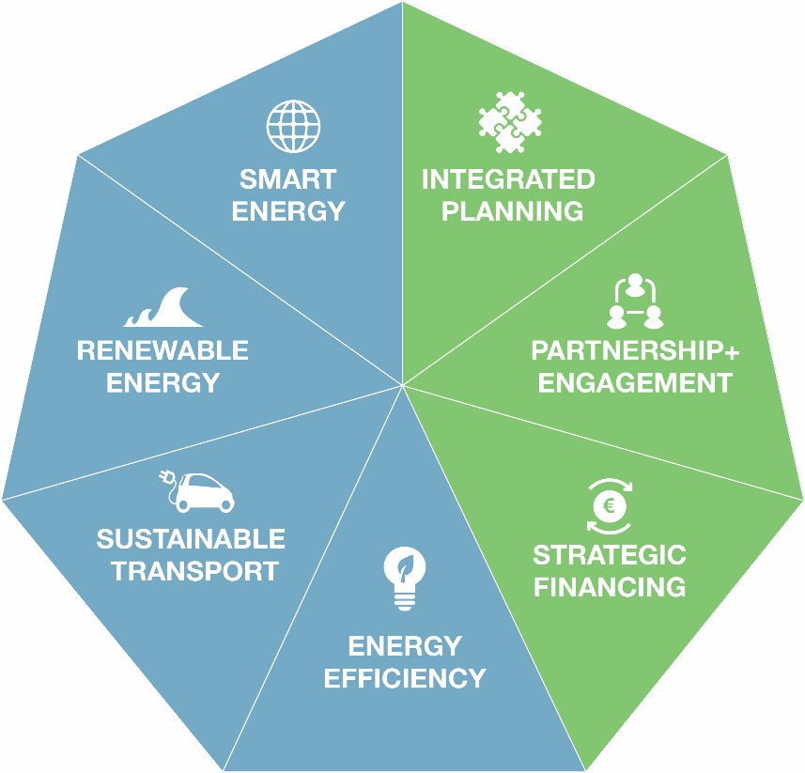
 | Partnerships & Engagement | 5
 | Strategic Financing | 7
 | Energy Efficiency | 5
 | Sustainable Transport | 6
 | Renewable Energy | 5
 | Smart Energy | 3

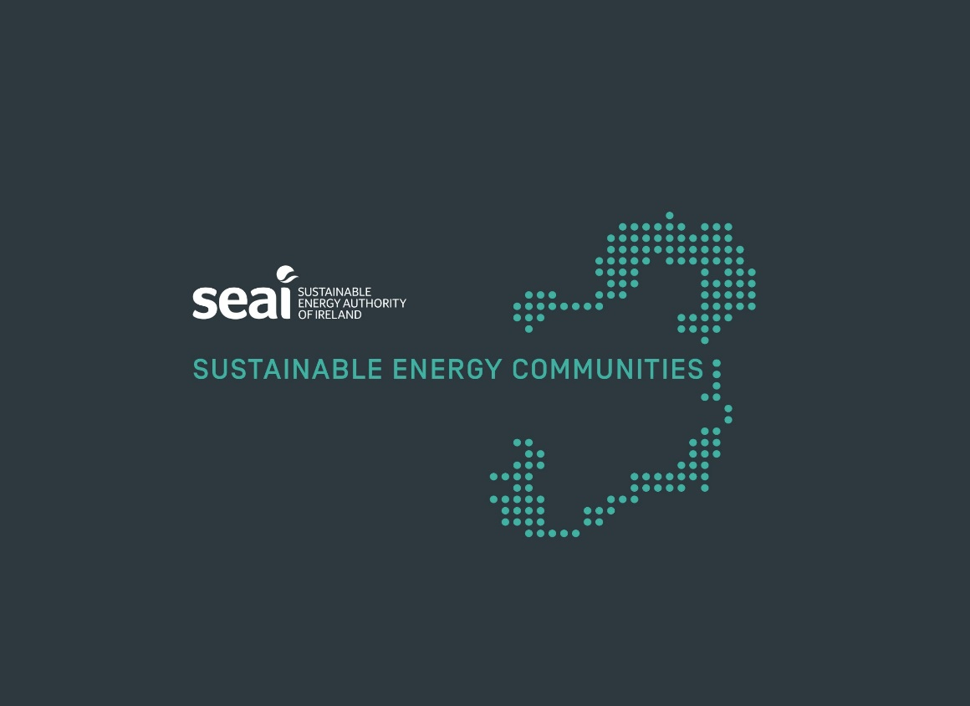
 | 0
 | 1

